2、送货单（香-店）
Hong Kong Andeo Group Limited
送貨清單
客戶名稱（Customer Name）： |  | 東莞市慕聲商貿有限公司
送貨日期（Delivery date）： |  | 2025/8/6 | 送貨單號(Delivery Number)： |  | 20250806001
No | 產品名稱(Product Name) |  | 數量(quantity) | 備註（對應貨件編號）
1 | MSEU-D71-20-3 |  | 158 | FBA18XRVRL4B
2 | MSEU-D71-205-6 |  | 118 | FBA18XRVRL4B
3 | MSEU-D33-5-5 |  | 237 | FBA18XRVRL4B
4 | MSEU-D71-5-3 |  | 79 | FBA18XRVRL4B
5 | MSEU-D63-20-2 |  | 197 | FBA18XRVRL4B
6 | MSUK-D71-25-3 |  | 628 | FBA15KDJWVMY
7 | MSUK-D72-206-4 |  | 707 | FBA15KDJWVMY
8 | MS-D22-27-3 |  | 236 | FBA15KDJWVMY
9 | MSUK-D71-20-3 |  | 104 | FBA15KDJCMJT
10 | MSUK-D71-2-5 |  | 117 | FBA15KDJCMJT
11 | MSUK-D72-201-3 |  | 39 | FBA15KDJCMJT
12 | MSEU-D70-7-6 |  | 142 | FBA18XK76Q57
13 | MSEU-D76-2-5 |  | 107 | FBA18XK76Q57
14 | MSEU-D74-5-6 |  | 213 | FBA18XK76Q57
15 | MSEU1-D25-206-4 |  | 71 | FBA18XK76Q57
16 | MSEU1-D25-209-4 |  | 178 | FBA18XK76Q57
17 | MSUK-D42-256-4 |  | 52 | FBA15KD06X94
18 | MSUK-D42-256-2 |  | 39 | FBA15KD06X94
19 | MSUK-D72-26-4 |  | 78 | FBA15KD06X94
20 | MSUK-D75-268-4 |  | 26 | FBA15KD06X94
21 | MSUK-D72-216-5 |  | 13 | FBA15KD06X94
22 | MSUK-D30-6-5 |  | 52 | FBA15KD06X94
23 | MSUK-D74-2-6 |  | 306 | FBA15KCQ3B4M
24 | MSUK-D47-6-6 |  | 230 | FBA15KCQ3B4M
25 | MS-D22-506-4 |  | 459 | FBA15KCQ3B4M
26 | MSUK-D60-8-5 |  | 153 | FBA15KCQ3B4M
27 | MSUK-D63-20-2 |  | 77 | FBA15KCQ3B4M
28 | MS-D23-1-4 |  | 306 | FBA15KCQ3B4M
29 | MS-D06-206-3 |  | 123 | FBA15KCCG5D6
30 | MSEU-D63-209-5 |  | 92 | FBA15KCCG5D6
31 | MS-D06-208-2 |  | 184 | FBA15KCCG5D6
32 | MS-D06-206-5 |  | 61 | FBA15KCCG5D6
33 | MS-D06-209-5-1 |  | 31 | FBA15KCCG5D6
34 | MS-D06-208-3 |  | 123 | FBA15KCCG5D6
35 | MSUK-D25-20-3 |  | 175 | FBA15KC7973Q
36 | MSUK-D75-2-4 |  | 131 | FBA15KC7973Q
37 | MSUK-D72-216-3 |  | 262 | FBA15KC7973Q
38 | MSUK-D42-5-5 |  | 87 | FBA15KC7973Q
39 | MS-D22-7-5 |  | 44 | FBA15KC7973Q
40 | MSUK-D75-208-4 |  | 175 | FBA15KC7973Q
數量合計(Total quantity)： |  |  | 6610
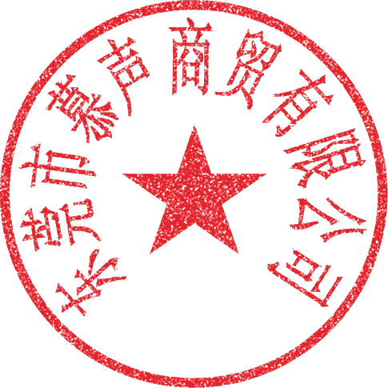 特別說明: 1、貨物一經簽收，即視為貨物數量無誤; 2、收貨方如發現品質問題請在收到貨後七天內向送貨方提出，否則送貨方一律不承擔任何責任。 Special Notes: 1. Once the goods are signed for, it is assumed that the quantity of the goods is correct. 2. If the recipient discovers any quality issues, they must inform the supplier within seven days of receiving the goods; otherwise, the supplier shall not assume any responsibility.
收貨單位及經手人(Receiving unit and handler):
送貨單位及經手人(Shipping company and the person in charge of the delivery):

